Manager
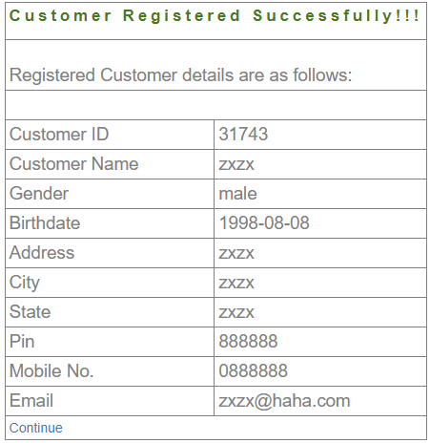
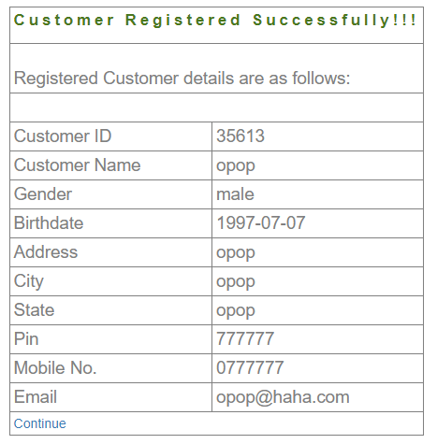
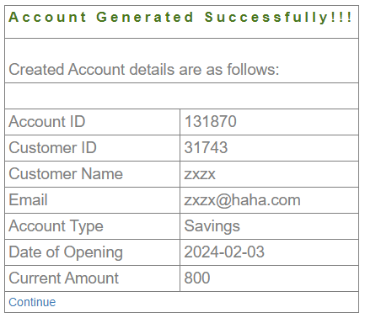
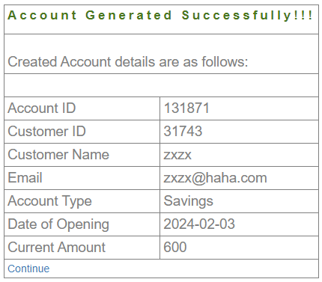
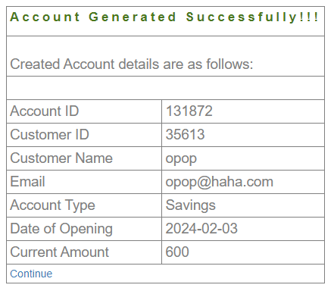
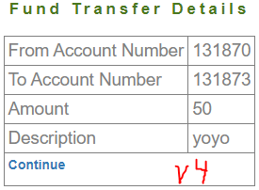
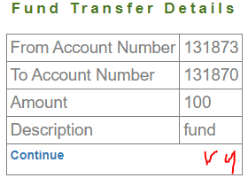
TestCase# | Test Scenario | Test Case Title | Test Case Discription | Test Steps | Test Data | Expected Result | Actual Result V3 | Pass/Fail | Actual Result V4 | Pass/Fail
Sys_M_001 | Login, Password | Verify Manager can't login with wrong ID | Login with invalid ID | 1) Enter invalid ID with valid Password 2) Submit | ID: notmanager Password: 1+2 | Failed to login | User is not valid | Pass | User is not valid | Pass
Sys_M_002 |  | Verify Manager can't login with wrong Password | Login with invalid Password | 1) Enter valid ID with invalid Password 2) Submit | ID: mngr550581 Password: 1+3 | Failed to login | User is not valid | Pass | User is not valid | Pass
Sys_M_003 |  | Verify Manager can login with correct ID & Password | Login with current ID &Password | 1) Enter valid ID with valid Password 2) Submit | ID: mngr550581 Password: 1+2 | Successfully Login | Successfully Login | Pass | Successfully Login | Pass
Sys_M_004 |  | Verify Manager can change his Password and redirected to the login screen | Change Password | 1) Enter Field Parameters 2) Submit | Old Password: 1+2 New Password: 1+1 | Password changed successfully | Password is Changed & redirected to login | Pass | Password is Changed & redirected to login | Pass
Sys_M_005 |  | Verify Old Password is no longer valid | Login with old Password | 1) Enter valid ID with invalid Password 2) Submit | ID: mngr550581 Password: 1+2 | Failed to login | User is not valid | Pass | User is not valid | Pass
Sys_M_006 |  | Verify New Password is the vaild one | Login with new Password | 1) Enter valid ID with valid Password 2) Submit | ID: mngr550581 Password: 1+1 | Successfully Login | Successfully Login | Pass | Successfully Login | Pass
Sys_M_007 | New Customer & Account | Verify New Customer is created and its records are shown upon creation | Create a customer | 1) Enter valid Customer records 2) Submit | check Module ristrictions | Customer Created Successfully | Customer Created Successfully | Pass | Customer Created Successfully | Pass
Sys_M_008 |  | Verify New Customer cannot be made with the same records | customer cannot be created twice | 1) Enter same Customer records as previous test case 2) Submit | check Module ristrictions | Customer cannot be Created | Email Address Already Exist !! | Pass | Email Address Already Exist !! | Pass
Sys_M_009 |  | Verify New Account is created for the customer and its records are shown upon creation | Create an account for the customer (Account 1) | 1) Enter valid Account records 2) Submit | Customer ID: the one created in Sys_007 ,Initial Deposit: 800 | Account Created Successfully | Account Created Successfully | Pass | Account Created Successfully | Pass
Sys_M_010 |  | Verify a Customer can have more than one account | Create an second account for the customer (Account 2) | 1) Enter valid Account records for the same Customer 2) Submit | Customer ID: the one created in Sys_007 ,Initial Deposit: 600 | Account Created Successfully | Account Created Successfully | Pass | Account Created Successfully | Pass
Sys_M_011 | Edit Customer and account | Verify Customer records can be shown & edited | Edit any of Customer records | 1) Enter valid Customer ID 2) Submit | Customer ID: the one created in Sys_007 | Customer Records Displayed and edited | Customer Records Displayed and edited | Pass | Customer Records Displayed and edited | Pass
Sys_M_012 |  | Verify Account records can be shown & edited | Edit any of Account records | 1) Enter Account ID 2) Submit | Account ID: Account 1 | Account Records Displayed and edited | HTTP ERROR 500 | Fail | HTTP ERROR 500 | Fail | Customer 1 31743 | Account1: 131870
Sys_M_013 | Withdraw, Balance Enquiry, Deposit, Mini Statment | Verify withdrawing money process | withdraw an amount to an account | 1) Enter Account ID, Amount = 100 2) Submit | Account ID: Account 1 | Money Withdrawed Successfully | HTTP ERROR 500 | Fail | Money Withdrawed Successfully | Pass |  | Account2: 131871
Sys_M_014 |  | Verify Balance Enquiry | check the Balance | 1) Enter Account ID 2) Submit | Account ID: Account 2 | Balance Displayed | HTTP ERROR 50 | Fail | HTTP ERROR 500 | Fail |  | Account3:131873
Sys_M_015 |  | Verify withdrawal process ccannot be preformed if requested amount is more than current deposit | withdraw an amount that is more than current deposit | 1) Enter Account ID, Amount = 100 2) Submit | Account ID: Account 1 | Cannot withdraw this amount | HTTP ERROR 500 | Fail | Cannot withdraw this amount | Pass
Sys_M_016 |  | Verify adding money process | add an amount to an account via deposit | 1) Enter Account ID, Amount = 100 2) Submit | Account ID: Account 1 | Money added Successfully, Balance = 900 | Blank Page | Fail | HTTP ERROR 500 | Fail | Customer2 35613 | Account4 131872
Sys_M_017 |  | Verify Mini Statement | check the transactions via Mini Statement | 1) Enter Account ID 2) Submit | Account ID: Account 1 | Transactions Displayed | Blank Page | Fail | Blank Page | Fail
Sys_M_018 |  | Verify adding money process cannot be made by reloading the deposit form page | refresh the deposit page after typing the deposit transaction records | 1) fill the deposit form records 2)refresh the deposit page | Account ID: Account 1 | page redirected to deposit page with no transactions happening | page redirected to deposit page with no transactions happening | Pass | page redirected to deposit page with no transactions happening | Pass
Sys_M_019 | Fund Transfer, Customized Statement | Verify ability to transfer Money between accounts | Send an amount from an account to another | 1) Send 100 from Account 1 to Account 2 2) Send 200 from Account 2 to Account 1 | Account ID: Account 1 Account ID: Account 2 | Both transactions Completed successfully | Both transactions Completed successfully | Pass | Both transactions Completed successfully | Pass
Sys_M_020 |  | Verify ability to keep track of transactions | Check all previous transactions in Customized Statement | 1) insert Account ID of Account 1 2) submit | Account ID: Account 1 | All transaction are shown | Blank Page | Fail | Blank Page | Fail
Sys_M_021 |  | Verify Customized statement is not generated when from date is greater than to date | make the from date larger than the to date | 1) fill the Customized Statement form records 2) make the from date larger than the to date 3) submit | Account ID: Account 1 | Date Error | Blank Page | Retest | Blank Page | Retest
Sys_M_022 | Delete Account | Verify delete account | check account is deleted | 1) insert Account ID of Account 1 2) submit | Account ID: Account 1 | Account deleted successfully | HTTP ERROR 500 | Fail | HTTP ERROR 500 | Fail
Sys_M_023 |  | Verify an account cannot be deleted twice | check a deleted account cannot be deleted | 1) insert Account ID of Account 1 2) submit | Account ID: Account 1 | Account doesn't exist | HTTP ERROR 500 | Fail | HTTP ERROR 500 | Fail
Sys_M_024 |  | Verify Balance Enquiry doesn't show details of a deleted account | check account is deleted via Balance Enquiry | 1) insert Account ID of Account 1 2) submit | Account ID: Account 1 | Account doesn't exist | HTTP ERROR 500 | Fail | HTTP ERROR 500 | Fail
Sys_M_025 |  | Verify Customized Statement doesn't show details of a deleted account | check account is deleted via Customized Statement | 1) insert Account ID of Account 1 2) submit | Account ID: Account 1 | Account doesn't exist | Blank Page | Fail | Blank Page | Fail
Sys_M_026 |  | Verify mini statement doesn't show details of a deleted account | check account is deleted via mini statement | 1) insert Account ID of Account 1 2) submit | Account ID: Account 1 | Account doesn't exist | Blank Page | Fail | Blank Page | Fail
Sys_M_027 | Delete Customer | Verify customer cannot be deleted if he has accounts | check customer is deleted if he has accounts | 1) insert Customer ID 2) submit | Customer ID: the one created in Sys_007 | Customer deleted successfully | Customer could not be deleted!!. First delete all accounts of this customer then delete the customer | Pass | Customer could not be deleted!!. First delete all accounts of this customer then delete the customer | Pass
Sys_M_028 |  | Verify delete customer | check customer is deleted | 1) insert Customer ID 2) submit | Customer ID: the one created in Sys_007 | Customer deleted successfully | Customer could not be deleted!!. First delete all accounts of this customer then delete the customer | Retest | Customer could not be deleted!!. First delete all accounts of this customer then delete the customer | Retest
Sys_M_029 |  | Verify an customer cannot be deleted twice | check a deleted customer cannot be deleted | 1) insert Customer ID 2) submit | Customer ID: the one created in Sys_007 | customer doesn't exist | Customer could not be deleted!!. First delete all accounts of this customer then delete the customer | Retest | Customer could not be deleted!!. First delete all accounts of this customer then delete the customer | Retest
Sys_M_030 |  | Verify all deleted customer details are gone | check customer is deleted via mini statement | 1) insert customer ID 2) submit | Customer ID: the one created in Sys_007 | customer doesn't exist | Customer could not be deleted!!. First delete all accounts of this customer then delete the customer | Retest | Customer could not be deleted!!. First delete all accounts of this customer then delete the customer | Retest
Sys_M_031 |  | Verify Balance Enquiry doesn't show details of a deleted customer | check customer is deleted via Balance Enquiry | 1) insert customer ID 2) submit | Customer ID: the one created in Sys_007 | customer doesn't exist | Customer could not be deleted!!. First delete all accounts of this customer then delete the customer | Retest | Customer could not be deleted!!. First delete all accounts of this customer then delete the customer | Retest
Sys_M_032 |  | Verify Customized Statement doesn't show details of a deleted customer | check customer is deleted via Customized Statement | 1) insert customer ID 2) submit | Customer ID: the one created in Sys_007 | customer doesn't exist | Customer could not be deleted!!. First delete all accounts of this customer then delete the customer | Retest | Customer could not be deleted!!. First delete all accounts of this customer then delete the customer | Retest
Sys_M_033 |  | Verify mini statement doesn't show details of a deleted customer | check customer is deleted via mini statement | 1) insert customer ID 2) submit | Customer ID: the one created in Sys_007 | customer doesn't exist | Customer could not be deleted!!. First delete all accounts of this customer then delete the customer | Retest | Customer could not be deleted!!. First delete all accounts of this customer then delete the customer | Retest
Sys_M_034 | Logout | Verify logout | check logout will redirect to login page | 1) click logout |  | Logout Successfully and redirected to login page | You Have Succesfully Logged Out!! | Pass | You Have Succesfully Logged Out!! | Pass
Sys_M_035 | Preparation for Customer Testing | as a manager, Create Customer A with 3 accounts, Deposit = (1)800, (2)1000, (3)600, delete the third one, Password: 1+2 Create Customer B with 1 account, Deposit = (4)600, Password: 1+2

